Triangle
TRIANGLE Area Calculator

Formula for the area of a triangle by two sides and the angle between them

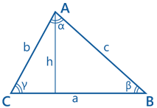
 | a: | -30
 | b: | 40
 | alpha: | 70

 | Area: | -563.8

Formula for the area of a triangle by the base and the altitude

 | a: | 30
 | h: | 30

 | Area: | 450.0

Heron's formula

 | a: | 17
 | b: | 23
 | c: | 39
 | semiperimeter: | 39.5

 | Area: | 85.6

